cover sheet
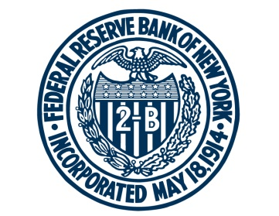

FEDERAL RESERVE BANK of NEW YORK

Chart and Table Data for Federal Reserve Bank of New York, Who Is More Likely to Default on Student Loans?
Updated: November 21, 2017

Charts: | Sheet:
Student Loan Default Rates by School Type and Age | ch1_schooltype
Source: New York Fed Consumer Credit Panel/Equifax; National Student Clearinghouse

Student Loan Default Rates by Degree Program, Graduation Status, and Age | ch2_graduation
Source: New York Fed Consumer Credit Panel/Equifax; National Student Clearinghouse

Student Loan Default Rates by College Selectivity and Major | ch3_selectivity
Source: New York Fed Consumer Credit Panel/Equifax; National Student Clearinghouse

Student Loan Default Rates by Family Background and College Type | ch4_income
Source: New York Fed Consumer Credit Panel/Equifax; National Student Clearinghouse

For any questions, please contact Research Publications at:
research.publications@ny.frb.org

Terms of Use:
https://www.newyorkfed.org/termsofuse.html

